SCRIPT
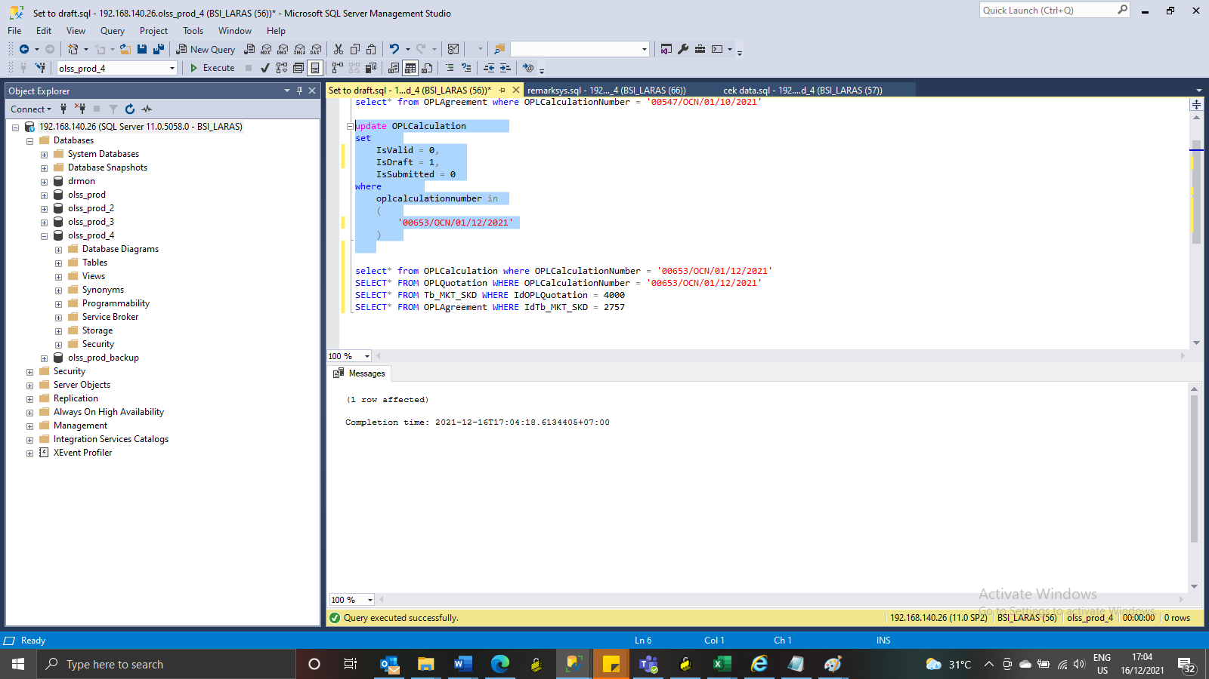
update OPLCalculation
set
 | IsValid = 0,
 | IsDraft = 1,
 | IsSubmitted = 0
where
 | oplcalculationnumber in
 | (
 |  | '00653/OCN/01/12/2021'
 | )

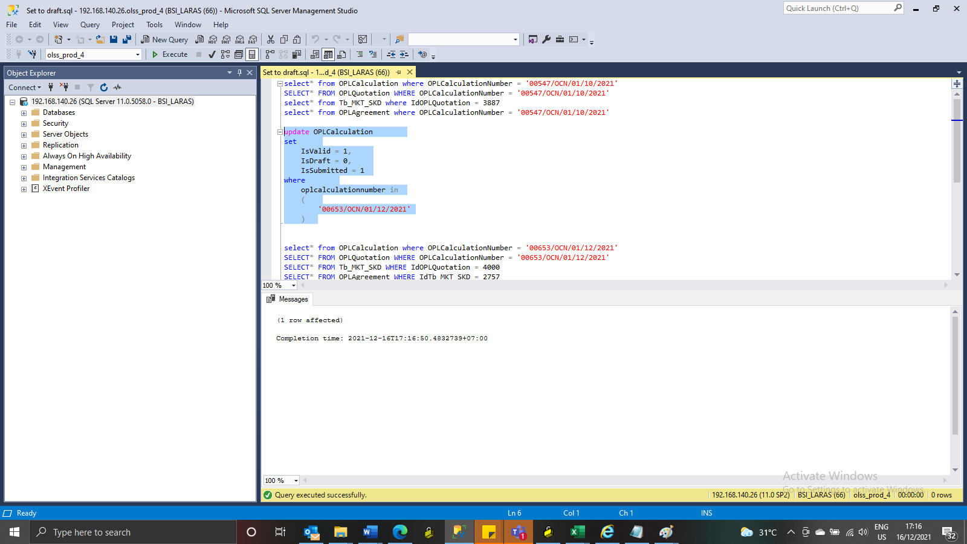
update OPLCalculation
set
 | IsValid = 1,
 | IsDraft = 0,
 | IsSubmitted = 1
where
 | oplcalculationnumber in
 | (
 |  | '00653/OCN/01/12/2021'
 | )

SS
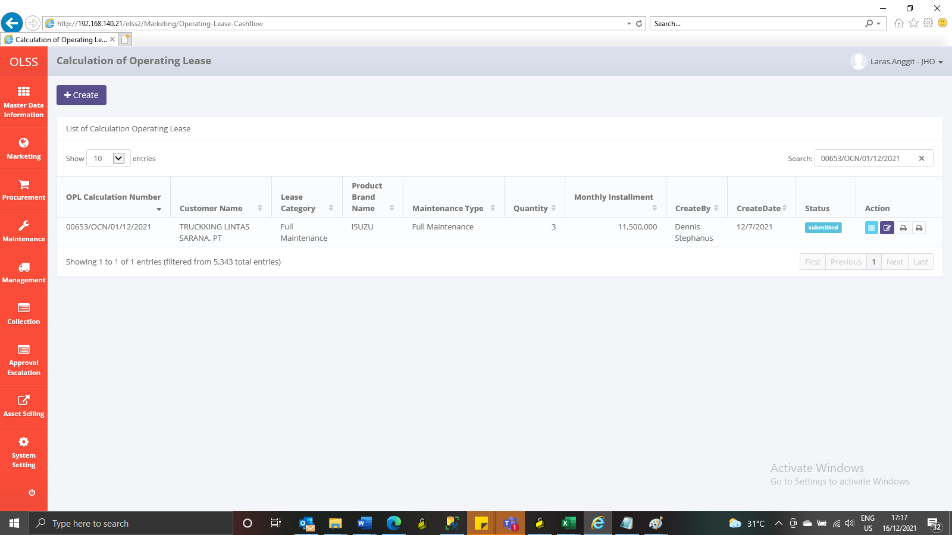
BEFORE

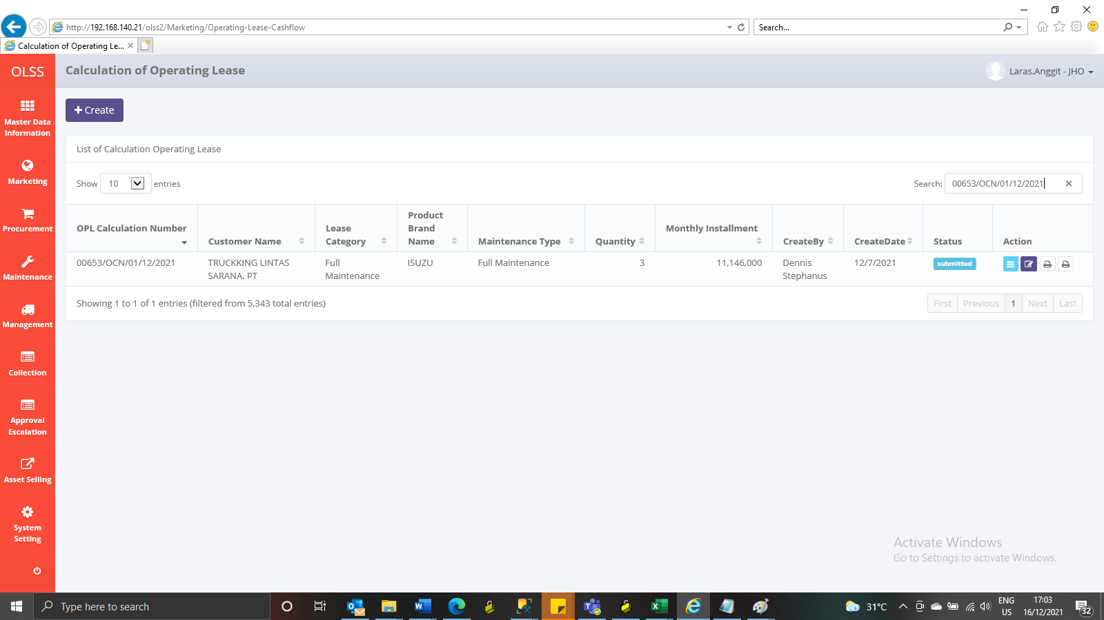

AFTER



SET TO SUBMIT
BEFORE

AFTER

